OutputForces
 | Scenario | F_0x | F_0y | F_0z | F_1x | F_front_upper - rod end | F_rear_upper - rod end | F_front_lower - rod end | F_rear_lower - rod end | F_damper | F_steering | UBJ - spherical | LBJ - spherical
0 | Self weight | 0 | 0 | 750 | 0 | 59.135406112 | -200.25132491 | 182.59114944 | 743.21278157 | -1068.1737277 | -9.16E-12 | 244.85769893 | 595.44235305
1 | Brake | -1500 | 0 | 750 | 0 | 1506.8243888 | -944.74990536 | -4518.3214962 | 3501.7842804 | -1068.3916275 | 397.9052364 | 2264.8407711 | 7721.9579905
2 | Impact | 0 | 0 | 750 | -200 | -111.76858773 | -130.72552416 | 16.682174691 | 636.3866712 | -1068.3049961 | 239.70814037 | 96.946732238 | 622.24019855
3 | Brake Impact | -1500 | 0 | 750 | -200 | 1335.9203949 | -875.22410461 | -4684.2304709 | 3394.95817 | -1068.5228959 | 637.61337677 | 2041.0290817 | 7781.7687418
4 | Corner Outside | 0 | 2600 | 1600 | 0 | 785.81781904 | -2661.0294872 | -2397.9943246 | 8274.726267 | -2507.0508814 | -1.61E-10 | 3253.7790065 | 10393.308077
5 | Corner Outside Brake | -1850 | 1850 | 1600 | 0 | 2381.0136998 | -2934.8713279 | -7391.6936711 | 9747.3858912 | -2441.4695488 | 490.74979156 | 4892.3848189 | 16503.798788
6 | Corner Outside Impact | 0 | 2600 | 1600 | -200 | 614.9138252 | -2591.5036865 | -2563.9032993 | 8167.9001566 | -2507.1821497 | 239.70814037 | 3048.8096736 | 10438.366743
7 | Corner Outside Brake Impact | -1850 | 1850 | 1600 | -200 | 2210.1097059 | -2865.3455271 | -7557.6026459 | 9640.5597809 | -2441.6008172 | 730.45793193 | 4673.5869867 | 16557.895121
8 | Corner Inside | 0 | -1500 | 750 | 0 | -321.43898966 | 1088.4948255 | 1790.7769822 | -3115.9443336 | -936.47357641 | 7.26E-11 | 1330.9591754 | 4735.048644
9 | Corner Inside Brake | -1060 | -1060 | 750 | 0 | 813.22971418 | 184.35029121 | -2002.9357983 | -34.534387328 | -975.25960334 | 281.18636706 | 698.74093397 | 1973.6064985
10 | Corner Inner Impact | 0 | -1500 | 750 | -200 | -492.3429835 | 1158.0206263 | 1624.8680074 | -3222.770444 | -936.60484476 | 239.70814037 | 1539.7963889 | 4684.680471
11 | Corner Inner Brake Impact | -1060 | -1060 | 750 | -200 | 642.32572034 | 253.87609196 | -2168.8447731 | -141.3604977 | -975.39087168 | 520.89450743 | 501.77619694 | 2049.7898473
12 | Accelerate and below | 0 | 0 | 750 | 0 | 59.135406112 | -200.25132491 | 182.59114944 | 743.21278157 | -1068.1737277 | -9.16E-12 | 244.85769893 | 595.44235305
13 | Accelerate and below | 1500 | 0 | 750 | 0 | -1388.5535766 | 544.24725553 | 4883.503795 | -2015.3587172 | -1067.9558279 | -397.9052364 | 1807.8120802 | 6683.9202223
14 | Accelerate and below | 0 | 0 | 750 | -200 | -111.76858773 | -130.72552416 | 16.682174691 | 636.3866712 | -1068.3049961 | 239.70814037 | 96.946732238 | 622.24019855
15 | Accelerate and below | 1500 | 0 | 750 | -200 | -1559.4575704 | 613.77305629 | 4717.5948203 | -2122.1848276 | -1068.0870962 | -158.19709604 | 2032.4308785 | 6619.1209788
16 | Accelerate and below | 0 | 2600 | 1600 | 0 | 785.81781904 | -2661.0294872 | -2397.9943246 | 8274.726267 | -2507.0508814 | -1.61E-10 | 3253.7790065 | 10393.308077
17 | Accelerate and below | 1850 | 1850 | 1600 | 0 | -1189.9524575 | -1098.4414961 | 4203.8908547 | 2942.9095275 | -2440.9320626 | -490.74979157 | 903.89472472 | 2293.4648661
18 | Accelerate and below | 0 | 2600 | 1600 | -200 | 614.9138252 | -2591.5036865 | -2563.9032993 | 8167.9001566 | -2507.1821497 | 239.70814037 | 3048.8096736 | 10438.366743
19 | Accelerate and below | 1850 | 1850 | 1600 | -200 | -1360.8564513 | -1028.9156954 | 4037.9818799 | 2836.0834172 | -2441.063331 | -251.0416512 | 988.1507928 | 2200.3803719
20 | Accelerate and below | 0 | -1500 | 750 | 0 | -321.43898966 | 1088.4948255 | 1790.7769822 | -3115.9443336 | -936.47357641 | 7.26E-11 | 1330.9591754 | 4735.048644
21 | Accelerate and below | 1060 | -1060 | 750 | 0 | -1232.8373813 | 1236.5749516 | 4641.0207408 | -3933.315439 | -974.95163825 | -281.18636706 | 2270.4287391 | 8252.52894
22 | Accelerate and below | 0 | -1500 | 750 | -200 | -492.3429835 | 1158.0206263 | 1624.8680074 | -3222.770444 | -936.60484476 | 239.70814037 | 1539.7963889 | 4684.680471
23 | Accelerate and below | 1060 | -1060 | 750 | -200 | -1403.7413752 | 1306.1007523 | 4475.111766 | -4040.1415493 | -975.08290659 | -41.47822669 | 2491.7802375 | 8194.284554
24 | Full squat | 0 | 0 | 1800 | 0 | 141.92497467 | -480.60317979 | 438.21875865 | 1783.7106758 | -2563.6169465 | -2.20E-11 | 587.65847743 | 1429.0616473
25 | Max compression | -1850 | -1500 | 750 | -200 | -1559.4575704 | -2934.8713279 | -7557.6026459 | -4040.1415493 | -2563.6169465 | -490.74979157 | 96.946732238 | 595.44235305
26 | Max tension | 1850 | 2600 | 1800 | 0 | 2381.0136998 | 1306.1007523 | 4883.503795 | 9747.3858912 | -936.47357641 | 730.45793193 | 4892.3848189 | 16557.895121
 |  |  |  |  |  | ^ Forces go here ^
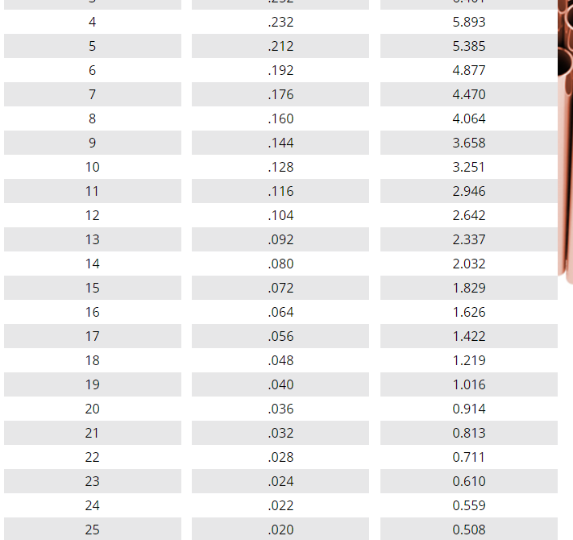
 | E / Pa | 2.10E+11
 | Yield Stress / Pa | 2.40E+08 |  |  |  | Upper |  | Lower |  | Damper | Track rod |  | Key
 |  |  |  |  | Length/mm | 427 | 212 | 512 | 340 | 366 | 394 |  | Input
 |  |  |  |  | Outer diameter/in | 0.5 | 0.5 | 0.75 | 0.75 | 0.5 | 0.5 |  | Intermediate
 |  |  |  |  | Outer diameter/mm | 12.7 | 12.7 | 19.05 | 19.05 | 12.7 | 12.7 |  | Output
 | Buckle safety factor | 2 |  |  | Outer radius/m | 0.00635 | 0.00635 | 0.009525 | 0.009525 | 0.00635 | 0.00635
 | Tensile yield safety factor | 2 |  | Buckle | Required I/m^4 | 2.74E-10 | 1.27E-10 | 1.91E-09 | 4.51E-10 | 3.31E-10 | 7.35E-11
 | Bearing safety factor | 2 |  |  | Required thickness/mm | 0.37 | 0.16 | 0.80 | 0.17 | 0.46 | 0.09
 |  |  |  | Tension | Required area/m^2 | 1.98E-05 | 1.09E-05 | 4.07E-05 | 8.12E-05 | -7.80E-06 | 6.09E-06
 |  |  |  |  | Required thickness/mm | 0.52 | 0.28 | 0.71 | 1.47 | -0.19 | 0.15
 |  |  |  | Overall | Critical Thickness/mm | 0.52 | 0.28 | 0.80 | 1.47 | 0.46 | 0.15
 |  |  |  |  | Critical Thickness/in | 0.020 | 0.011 | 0.031 | 0.058 | 0.018 | 0.006

 |  |  |  |  |  | Rod ends and spherical bearings - load requirements
 |  |  |  |  |  | 4762.0273995 | 5869.7426558 | 15115.205292 | 19494.771782 | 5127.233893 | 1460.9158639 | 9784.7696377 | 33115.790243
 |  |  |  |  |  |  | 3/8" 16SWG |  |  |  | 3/8" 16SWG |  |  |  | Thickness
 |  |  |  |  | lighter than 3/8" | 1/2" 20SWG | 1/2" 20SWG |  |  |  | 1/2" 20SWG |  |  | 20SWG | .036"
 |  |  |  |  |  |  |  | 3/4" 16SWG | 3/4" 16SWG |  |  |  |  | 16SWG | .064"

